Source Screenshot
SIRA source-page evidence

Page-only capture of the official SIRA report, showing SIRA branding, the embedded recovery-through-work table and the 19 August 2026 update date. Browser tabs, address bar and desktop are not included.

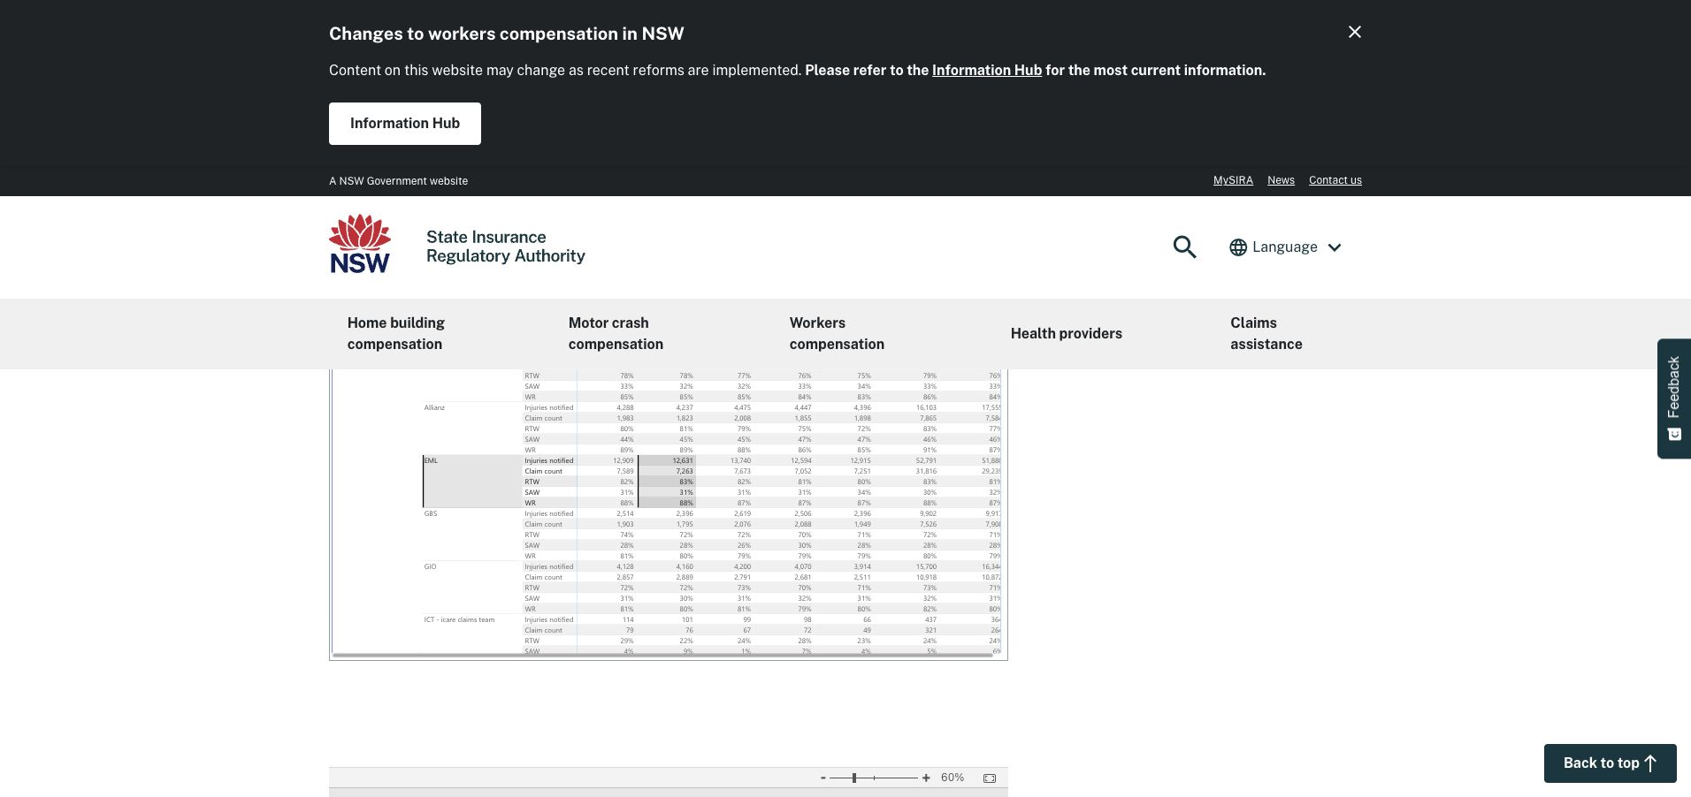

Representative enlarged view of the live report grid at 90% zoom. The complete full-width capture set for every report row is indexed on Screenshot Index and embedded on Evidence 01–25.

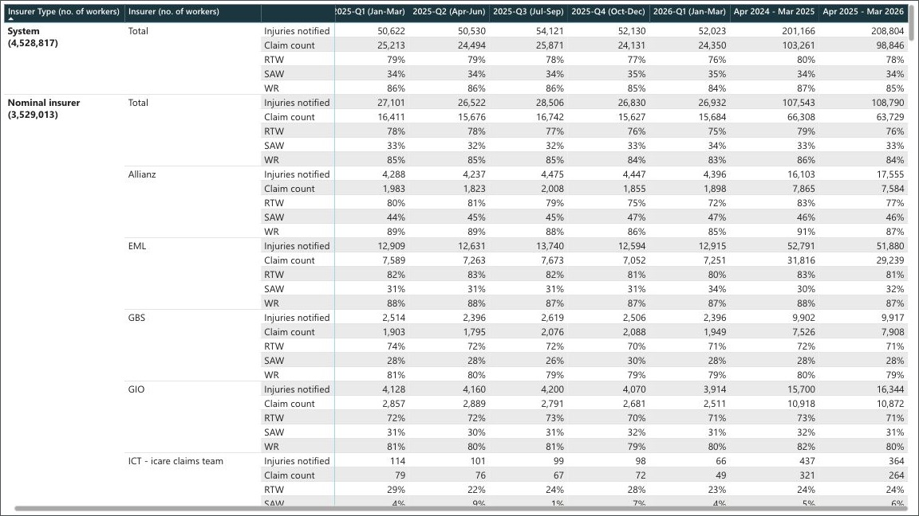

Captured 20 August 2026 from https://www.sira.nsw.gov.au/resources-library/workers-compensation-resources/publications/sira-reports/insurer-recovery-through-work-data-reports/insurer-recovery-through-work-performance-data. Browser chrome is excluded. The complete capture set covers all 455 report rows and all seven periods; Public Display Data is the structured, filterable extract.

Evidence 02
Evidence 02 · NI-01

Nominal insurer · owned report rows 7–26 · displayed with continuity rows 7–26 · 140 owned period cells.

Full-width evidence view · insurer labels, metrics and all seven published periods
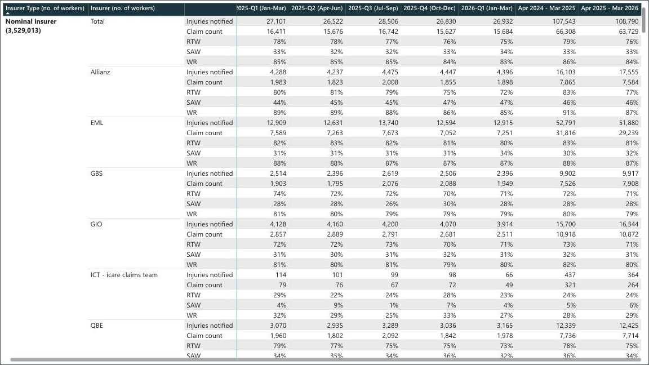

Captured from the official SIRA embedded report at 90% zoom on 20 August 2026. Browser tabs, address bar and desktop are excluded. All seven period columns are fully visible. Coverage check: complete. Extract reconciliation: zero mismatches.

Evidence 03
Evidence 03 · NI-02

Nominal insurer · owned report rows 27–46 · displayed with continuity rows 22–46 · 140 owned period cells.

Full-width evidence view · insurer labels, metrics and all seven published periods
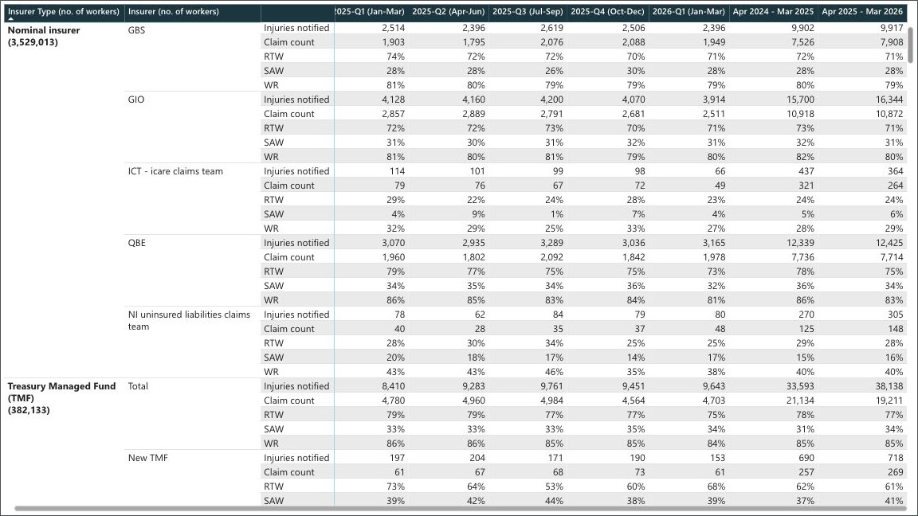

Captured from the official SIRA embedded report at 90% zoom on 20 August 2026. Browser tabs, address bar and desktop are excluded. All seven period columns are fully visible. Coverage check: complete. Extract reconciliation: zero mismatches.

Evidence 04
Evidence 04 · TMF-01

Treasury Managed Fund · owned report rows 47–66 · displayed with continuity rows 47–66 · 140 owned period cells.

Full-width evidence view · insurer labels, metrics and all seven published periods
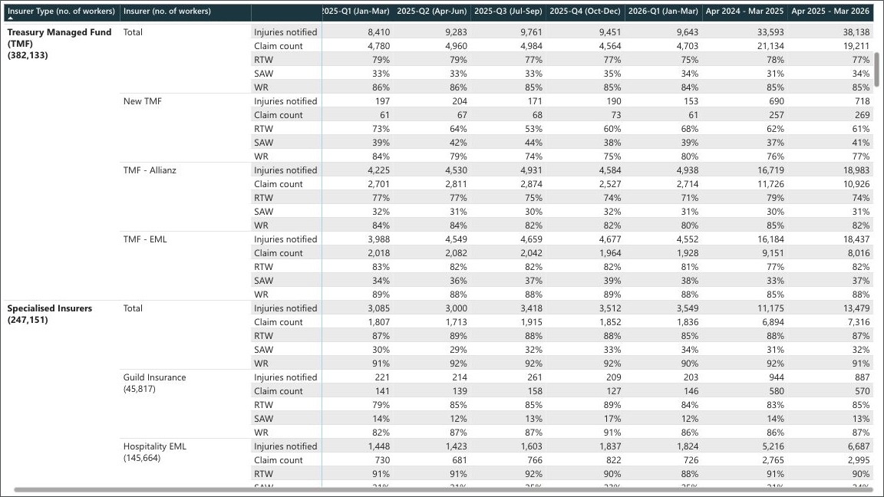

Captured from the official SIRA embedded report at 90% zoom on 20 August 2026. Browser tabs, address bar and desktop are excluded. All seven period columns are fully visible. Coverage check: complete. Extract reconciliation: zero mismatches.

Evidence 05
Evidence 05 · SPEC-01

Specialised Insurers · owned report rows 67–86 · displayed with continuity rows 67–86 · 140 owned period cells.

Full-width evidence view · insurer labels, metrics and all seven published periods
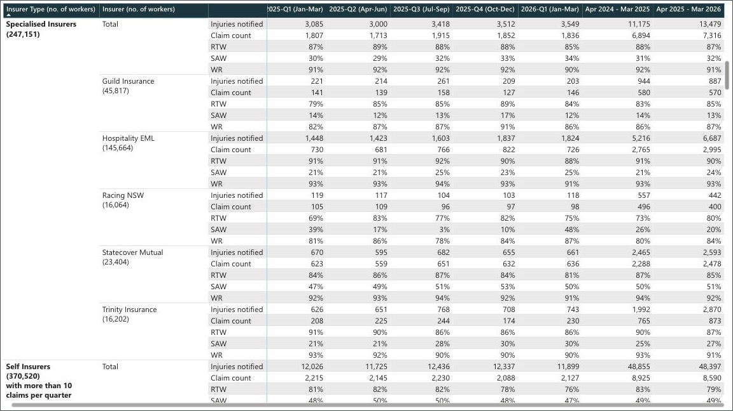

Captured from the official SIRA embedded report at 90% zoom on 20 August 2026. Browser tabs, address bar and desktop are excluded. All seven period columns are fully visible. Coverage check: complete. Extract reconciliation: zero mismatches.

Evidence 06
Evidence 06 · SPEC-02

Specialised Insurers · owned report rows 87–96 · displayed with continuity rows 82–96 · 70 owned period cells.

Full-width evidence view · insurer labels, metrics and all seven published periods
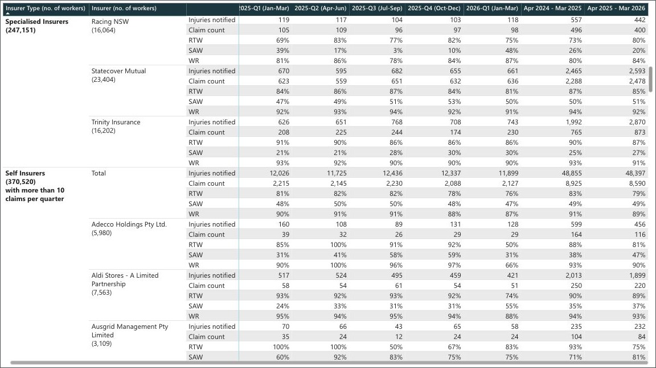

Captured from the official SIRA embedded report at 90% zoom on 20 August 2026. Browser tabs, address bar and desktop are excluded. All seven period columns are fully visible. Coverage check: complete. Extract reconciliation: zero mismatches.

Evidence 07
Evidence 07 · SELF-H-01

Self Insurers with more than 10 claims per quarter · owned report rows 97–116 · displayed with continuity rows 97–116 · 140 owned period cells.

Full-width evidence view · insurer labels, metrics and all seven published periods
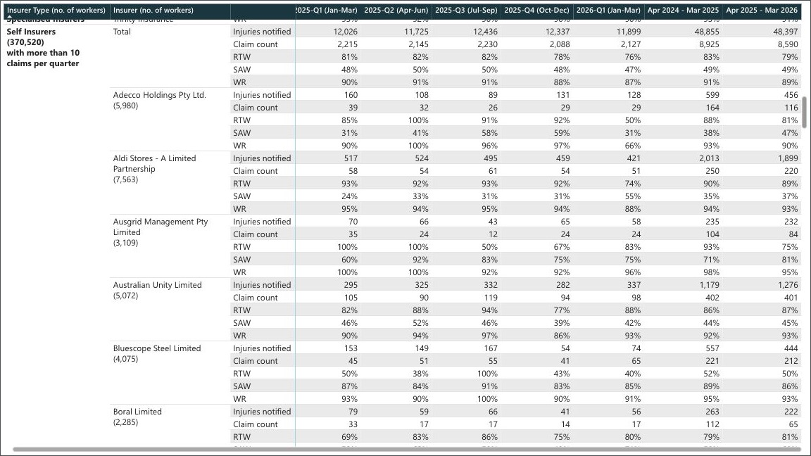

Captured from the official SIRA embedded report at 90% zoom on 20 August 2026. Browser tabs, address bar and desktop are excluded. All seven period columns are fully visible. Coverage check: complete. Extract reconciliation: zero mismatches.

Evidence 08
Evidence 08 · SELF-H-02

Self Insurers with more than 10 claims per quarter · owned report rows 117–136 · displayed with continuity rows 112–136 · 140 owned period cells.

Full-width evidence view · insurer labels, metrics and all seven published periods
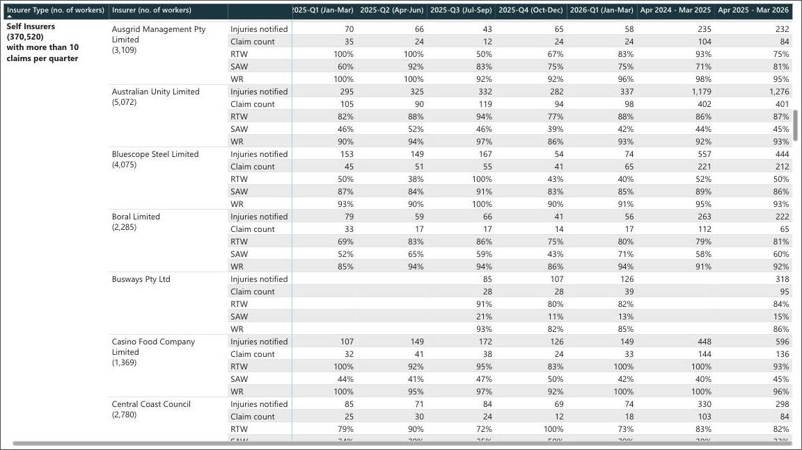

Captured from the official SIRA embedded report at 90% zoom on 20 August 2026. Browser tabs, address bar and desktop are excluded. All seven period columns are fully visible. Coverage check: complete. Extract reconciliation: zero mismatches.

Evidence 09
Evidence 09 · SELF-H-03

Self Insurers with more than 10 claims per quarter · owned report rows 137–156 · displayed with continuity rows 132–156 · 140 owned period cells.

Full-width evidence view · insurer labels, metrics and all seven published periods
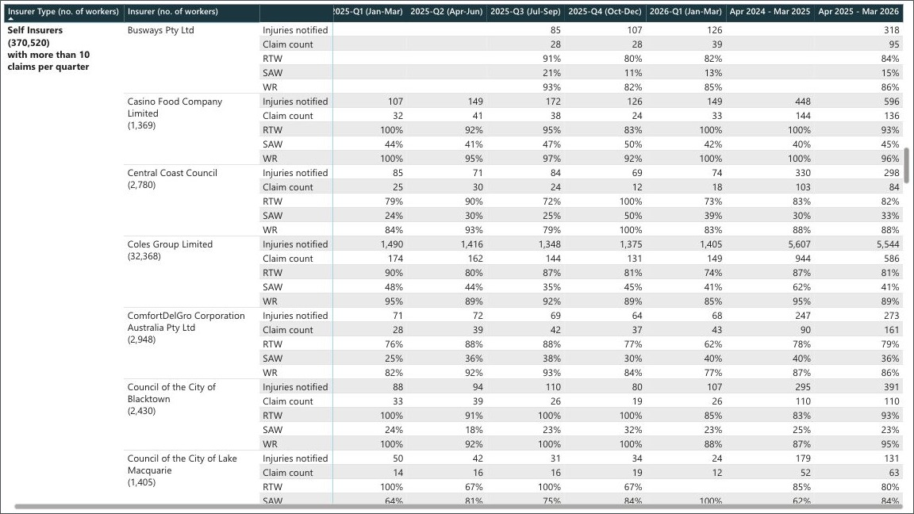

Captured from the official SIRA embedded report at 90% zoom on 20 August 2026. Browser tabs, address bar and desktop are excluded. All seven period columns are fully visible. Coverage check: complete. Extract reconciliation: zero mismatches.

Evidence 10
Evidence 10 · SELF-H-04

Self Insurers with more than 10 claims per quarter · owned report rows 157–176 · displayed with continuity rows 152–176 · 140 owned period cells.

Full-width evidence view · insurer labels, metrics and all seven published periods
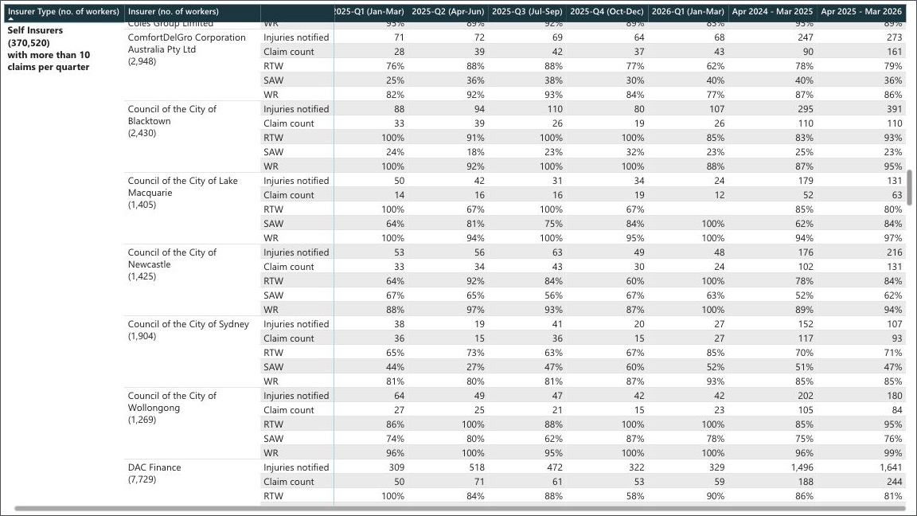

Captured from the official SIRA embedded report at 90% zoom on 20 August 2026. Browser tabs, address bar and desktop are excluded. All seven period columns are fully visible. Coverage check: complete. Extract reconciliation: zero mismatches.

Evidence 11
Evidence 11 · SELF-H-05

Self Insurers with more than 10 claims per quarter · owned report rows 177–196 · displayed with continuity rows 172–196 · 140 owned period cells.

Full-width evidence view · insurer labels, metrics and all seven published periods
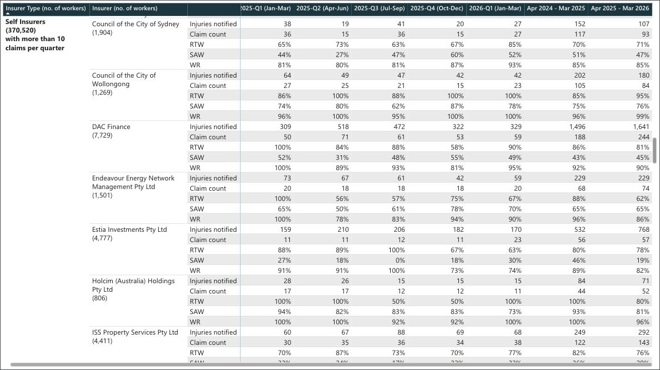

Captured from the official SIRA embedded report at 90% zoom on 20 August 2026. Browser tabs, address bar and desktop are excluded. All seven period columns are fully visible. Coverage check: complete. Extract reconciliation: zero mismatches.

Evidence 12
Evidence 12 · SELF-H-06

Self Insurers with more than 10 claims per quarter · owned report rows 197–216 · displayed with continuity rows 192–216 · 140 owned period cells.

Full-width evidence view · insurer labels, metrics and all seven published periods
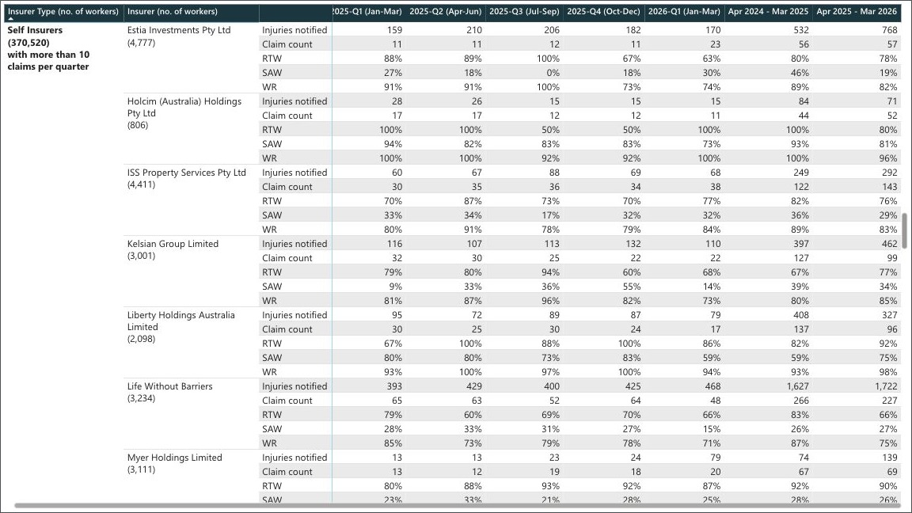

Captured from the official SIRA embedded report at 90% zoom on 20 August 2026. Browser tabs, address bar and desktop are excluded. All seven period columns are fully visible. Coverage check: complete. Extract reconciliation: zero mismatches.

Evidence 13
Evidence 13 · SELF-H-07

Self Insurers with more than 10 claims per quarter · owned report rows 217–236 · displayed with continuity rows 212–236 · 140 owned period cells.

Full-width evidence view · insurer labels, metrics and all seven published periods
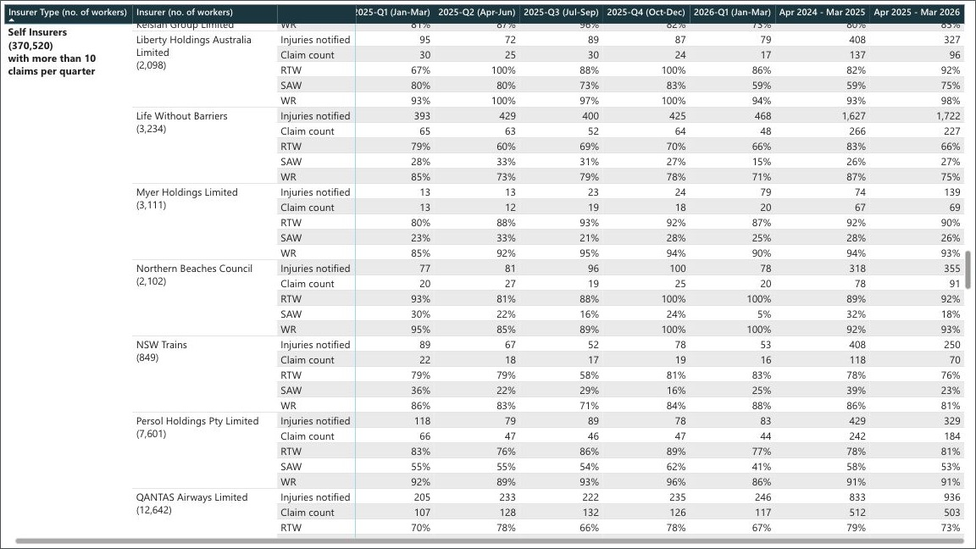

Captured from the official SIRA embedded report at 90% zoom on 20 August 2026. Browser tabs, address bar and desktop are excluded. All seven period columns are fully visible. Coverage check: complete. Extract reconciliation: zero mismatches.

Evidence 14
Evidence 14 · SELF-H-08

Self Insurers with more than 10 claims per quarter · owned report rows 237–256 · displayed with continuity rows 232–256 · 140 owned period cells.

Full-width evidence view · insurer labels, metrics and all seven published periods
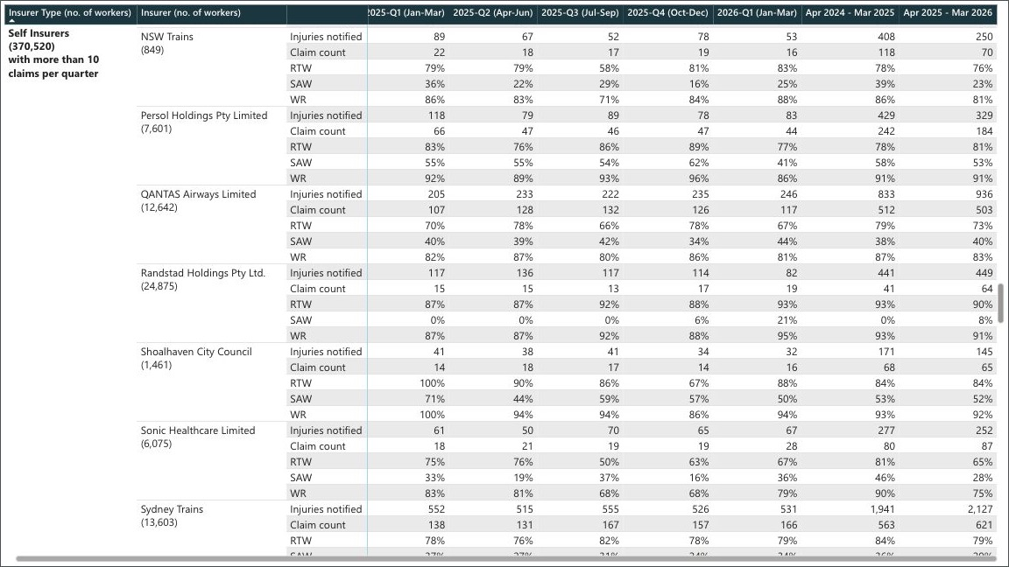

Captured from the official SIRA embedded report at 90% zoom on 20 August 2026. Browser tabs, address bar and desktop are excluded. All seven period columns are fully visible. Coverage check: complete. Extract reconciliation: zero mismatches.

Evidence 15
Evidence 15 · SELF-H-09

Self Insurers with more than 10 claims per quarter · owned report rows 257–276 · displayed with continuity rows 252–276 · 140 owned period cells.

Full-width evidence view · insurer labels, metrics and all seven published periods
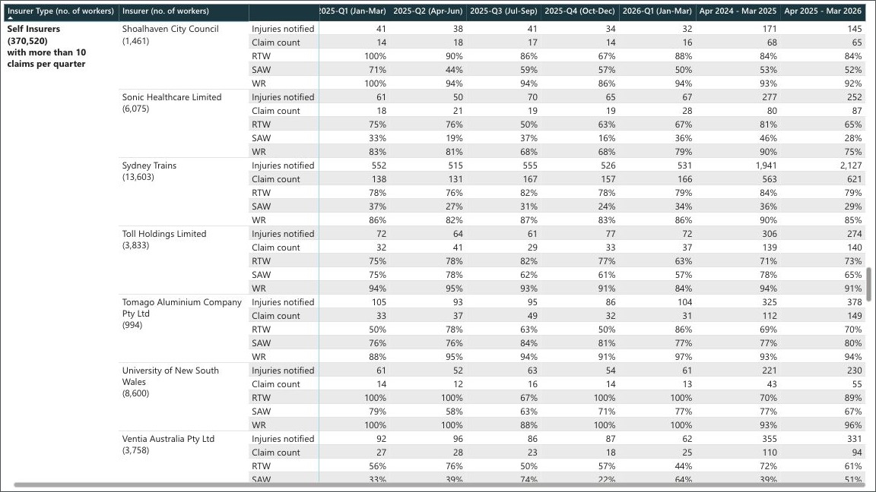

Captured from the official SIRA embedded report at 90% zoom on 20 August 2026. Browser tabs, address bar and desktop are excluded. All seven period columns are fully visible. Coverage check: complete. Extract reconciliation: zero mismatches.

Evidence 16
Evidence 16 · SELF-H-10

Self Insurers with more than 10 claims per quarter · owned report rows 277–296 · displayed with continuity rows 272–296 · 140 owned period cells.

Full-width evidence view · insurer labels, metrics and all seven published periods
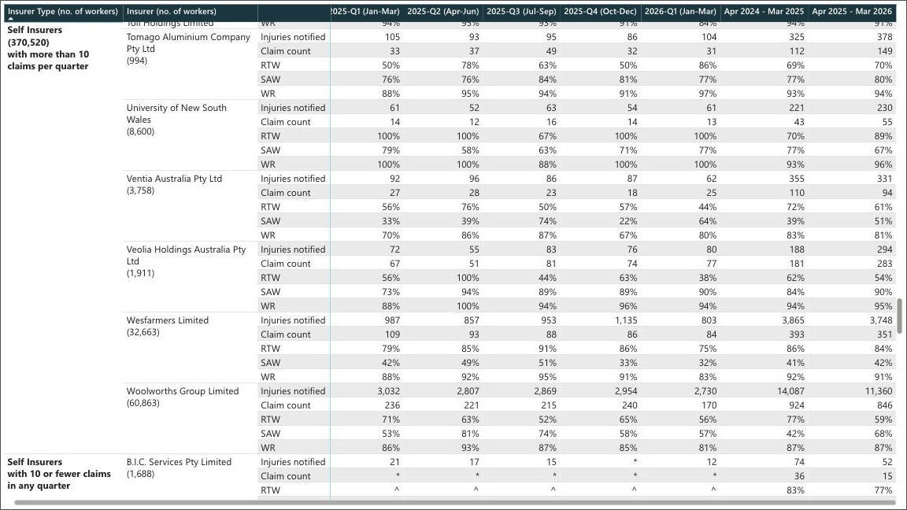

Captured from the official SIRA embedded report at 90% zoom on 20 August 2026. Browser tabs, address bar and desktop are excluded. All seven period columns are fully visible. Coverage check: complete. Extract reconciliation: zero mismatches.

Evidence 17
Evidence 17 · SELF-H-11

Self Insurers with more than 10 claims per quarter · owned report rows 297–301 · displayed with continuity rows 292–301 · 35 owned period cells.

Full-width evidence view · insurer labels, metrics and all seven published periods
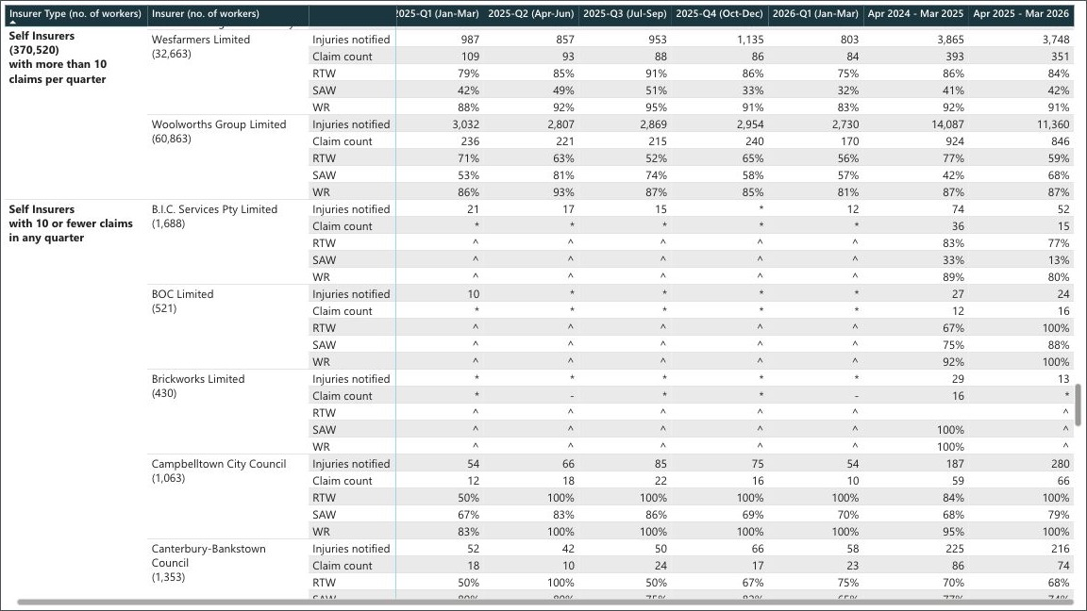

Captured from the official SIRA embedded report at 90% zoom on 20 August 2026. Browser tabs, address bar and desktop are excluded. All seven period columns are fully visible. Coverage check: complete. Extract reconciliation: zero mismatches.

Evidence 18
Evidence 18 · SELF-L-01

Self Insurers with 10 or fewer claims in any quarter · owned report rows 302–321 · displayed with continuity rows 302–321 · 140 owned period cells.

Full-width evidence view · insurer labels, metrics and all seven published periods
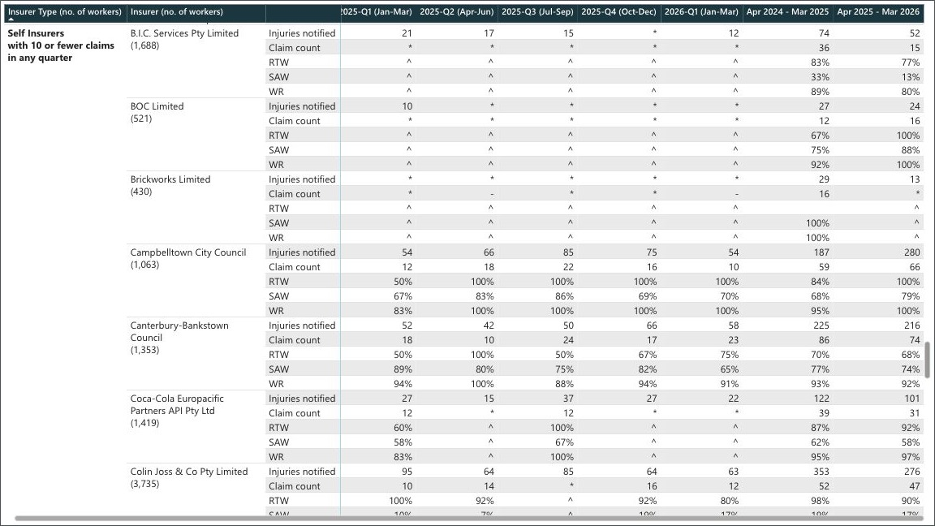

Captured from the official SIRA embedded report at 90% zoom on 20 August 2026. Browser tabs, address bar and desktop are excluded. All seven period columns are fully visible. Coverage check: complete. Extract reconciliation: zero mismatches.

Evidence 19
Evidence 19 · SELF-L-02

Self Insurers with 10 or fewer claims in any quarter · owned report rows 322–341 · displayed with continuity rows 317–341 · 140 owned period cells.

Full-width evidence view · insurer labels, metrics and all seven published periods
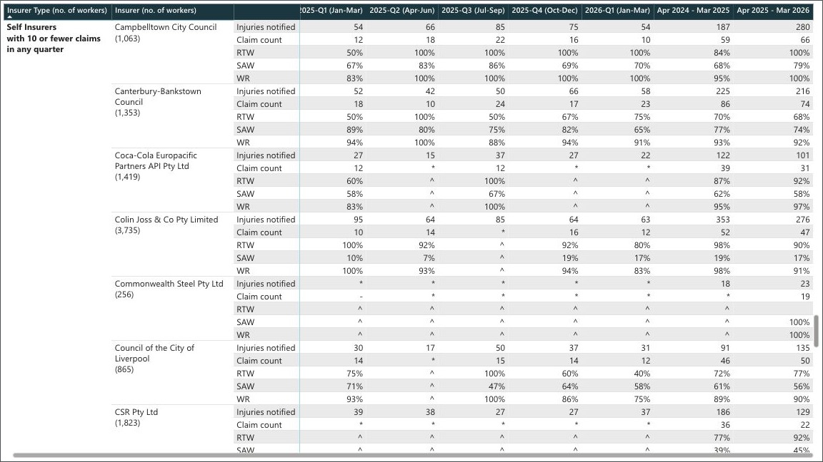

Captured from the official SIRA embedded report at 90% zoom on 20 August 2026. Browser tabs, address bar and desktop are excluded. All seven period columns are fully visible. Coverage check: complete. Extract reconciliation: zero mismatches.

Evidence 20
Evidence 20 · SELF-L-03

Self Insurers with 10 or fewer claims in any quarter · owned report rows 342–361 · displayed with continuity rows 337–361 · 140 owned period cells.

Full-width evidence view · insurer labels, metrics and all seven published periods
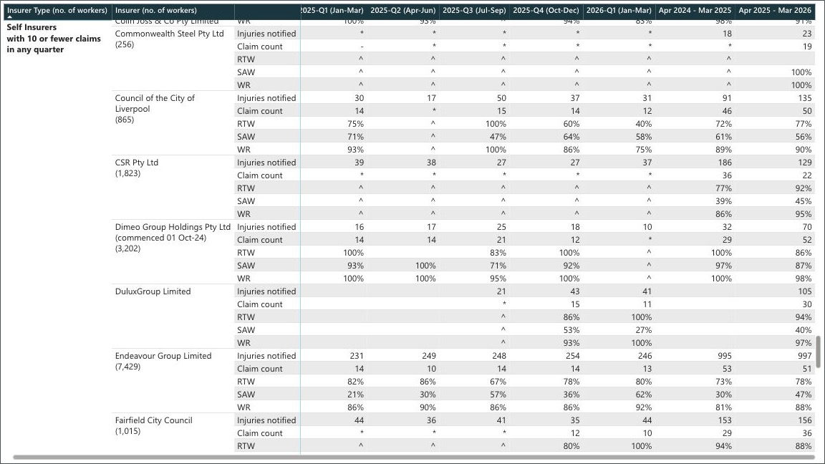

Captured from the official SIRA embedded report at 90% zoom on 20 August 2026. Browser tabs, address bar and desktop are excluded. All seven period columns are fully visible. Coverage check: complete. Extract reconciliation: zero mismatches.

Evidence 21
Evidence 21 · SELF-L-04

Self Insurers with 10 or fewer claims in any quarter · owned report rows 362–381 · displayed with continuity rows 357–381 · 140 owned period cells.

Full-width evidence view · insurer labels, metrics and all seven published periods
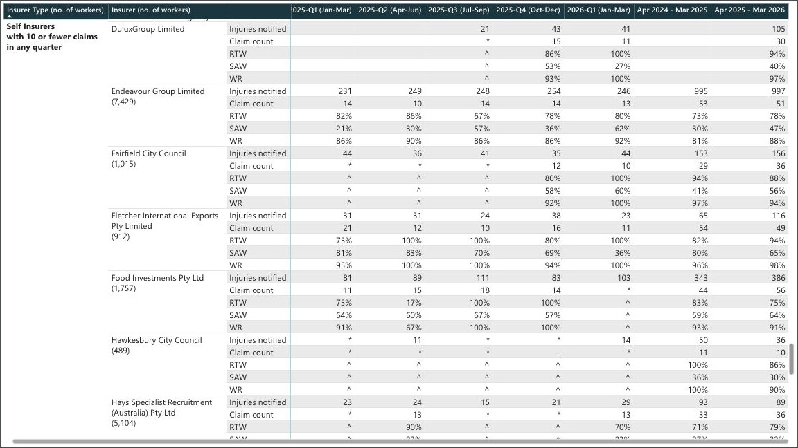

Captured from the official SIRA embedded report at 90% zoom on 20 August 2026. Browser tabs, address bar and desktop are excluded. All seven period columns are fully visible. Coverage check: complete. Extract reconciliation: zero mismatches.

Evidence 22
Evidence 22 · SELF-L-05

Self Insurers with 10 or fewer claims in any quarter · owned report rows 382–401 · displayed with continuity rows 377–401 · 140 owned period cells.

Full-width evidence view · insurer labels, metrics and all seven published periods
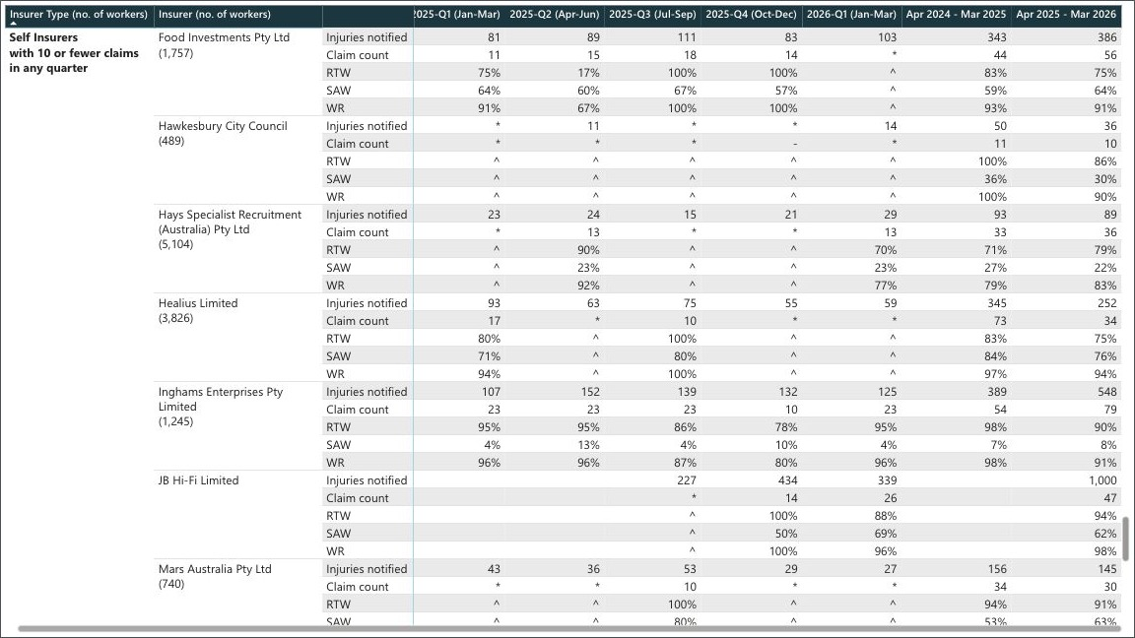

Captured from the official SIRA embedded report at 90% zoom on 20 August 2026. Browser tabs, address bar and desktop are excluded. All seven period columns are fully visible. Coverage check: complete. Extract reconciliation: zero mismatches.

Evidence 23
Evidence 23 · SELF-L-06

Self Insurers with 10 or fewer claims in any quarter · owned report rows 402–421 · displayed with continuity rows 397–421 · 140 owned period cells.

Full-width evidence view · insurer labels, metrics and all seven published periods
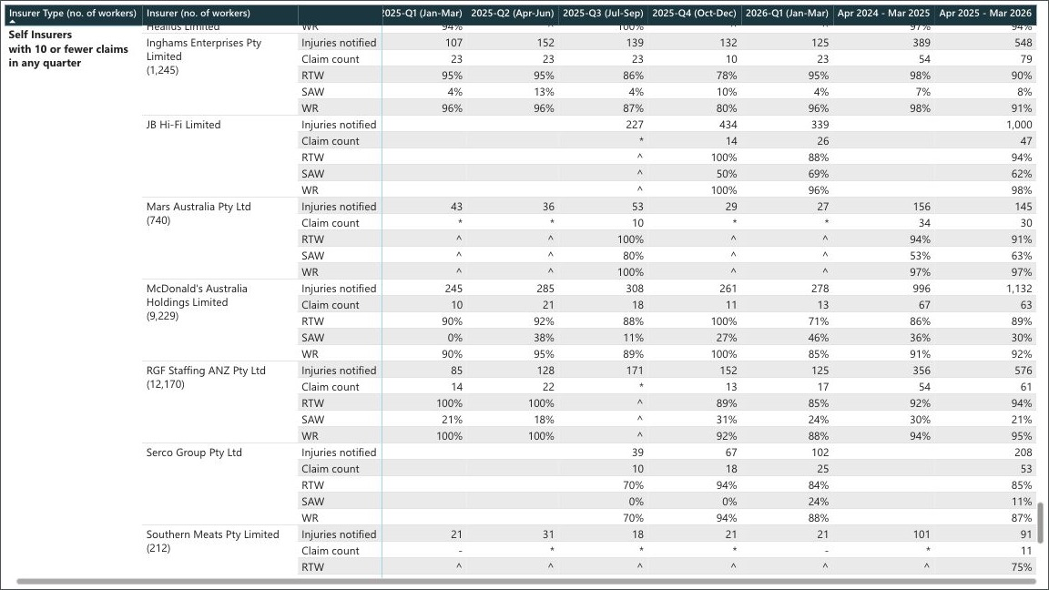

Captured from the official SIRA embedded report at 90% zoom on 20 August 2026. Browser tabs, address bar and desktop are excluded. All seven period columns are fully visible. Coverage check: complete. Extract reconciliation: zero mismatches.

Evidence 24
Evidence 24 · SELF-L-07

Self Insurers with 10 or fewer claims in any quarter · owned report rows 422–441 · displayed with continuity rows 417–441 · 140 owned period cells.

Full-width evidence view · insurer labels, metrics and all seven published periods
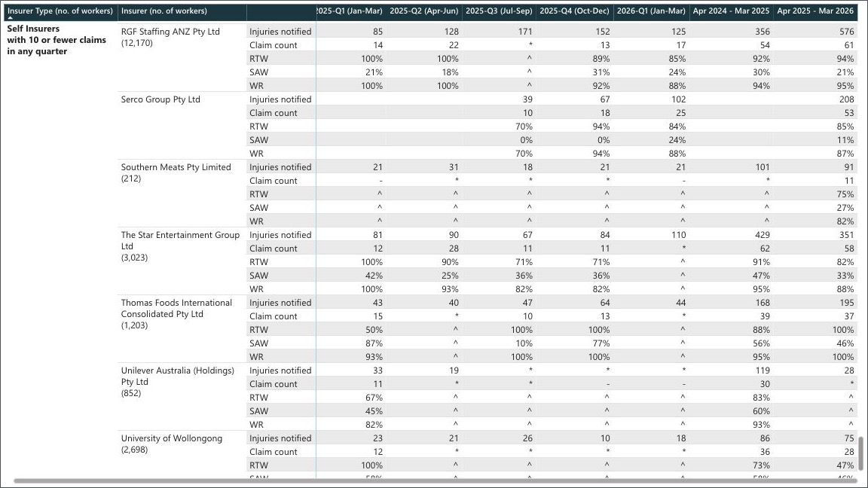

Captured from the official SIRA embedded report at 90% zoom on 20 August 2026. Browser tabs, address bar and desktop are excluded. All seven period columns are fully visible. Coverage check: complete. Extract reconciliation: zero mismatches.

Evidence 25
Evidence 25 · SELF-L-08

Self Insurers with 10 or fewer claims in any quarter · owned report rows 442–456 · displayed with continuity rows 437–456 · 105 owned period cells.

Full-width evidence view · insurer labels, metrics and all seven published periods
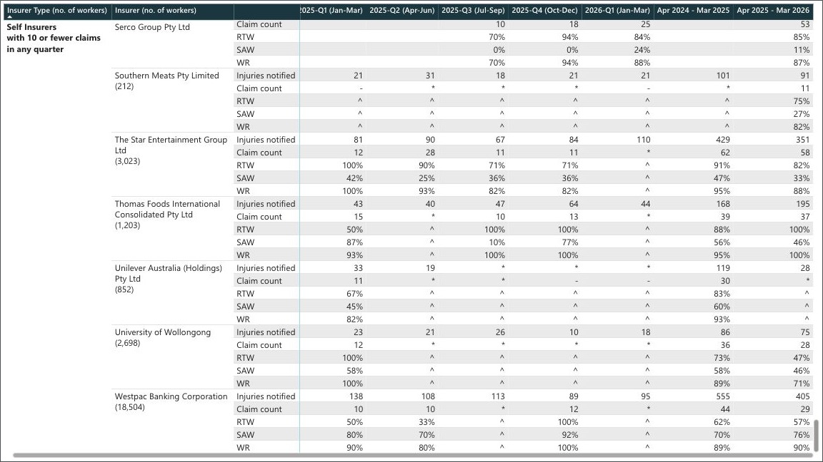

Captured from the official SIRA embedded report at 90% zoom on 20 August 2026. Browser tabs, address bar and desktop are excluded. All seven period columns are fully visible. Coverage check: complete. Extract reconciliation: zero mismatches.

